Dashboard
BIKE SALES DATA DASHBOARD

Sales Based on Age
 | Total
25 | 6
26 | 16
27 | 23
28 | 22
29 | 16
30 | 27
31 | 25
32 | 33
33 | 21
34 | 31
35 | 36
36 | 37
37 | 32
38 | 37
39 | 22
40 | 42
41 | 28
42 | 34
43 | 36
44 | 27
45 | 31
46 | 27
47 | 39
48 | 29
49 | 23
50 | 24
51 | 22
52 | 25
53 | 24
54 | 16
55 | 18
56 | 16
57 | 8
58 | 12
59 | 20
60 | 15
61 | 9
62 | 13
63 | 9
64 | 10
65 | 9
66 | 14
67 | 10
68 | 3
69 | 8
70 | 4
71 | 1
72 | 1
73 | 4
74 | 1
...
Sales Based on Income
 | No | Yes
$10,000.00 | 45 | 28
$20,000.00 | 43 | 31
$30,000.00 | 81 | 54
$40,000.00 | 64 | 90
$50,000.00 | 20 | 20
$60,000.00 | 84 | 81
$70,000.00 | 58 | 66
$80,000.00 | 56 | 35
$90,000.00 | 14 | 25
$100,000.00 | 18 | 11
$110,000.00 | 8 | 8
$120,000.00 | 8 | 10
$130,000.00 | 17 | 15
$150,000.00 | 1 | 3
$160,000.00 |  | 3
$170,000.00 | 2 | 1
Sales Based On Marital Status
 | No | Yes
M | 307 | 231
S | 212 | 250
Total no.of Customers
Total Bike Purchased

1000
1000
481

Sales Based on Region
 | Total
Europe | 300
North America | 508
Pacific | 192
Bike Buyers Based On Occupation
 | Total
Clerical | 177
Management | 173
Manual | 119
Professional | 276
Skilled Manual | 255
Sales Based on Distance
 | Total
0-1 Miles | 366
10+ Miles | 111
1-2 Miles | 169
2-5 Miles | 162
5-10 Miles | 192

Sales Based on Gender
 | No | Yes
F | 250 | 239
M | 269 | 242
Bike Purchased by Home Owner
 | Total
No | 317
Yes | 683
Bike Buyers Having Cars
 | Total
0 | 247
1 | 267
2 | 342
3 | 85
4 | 59

ScreenShot
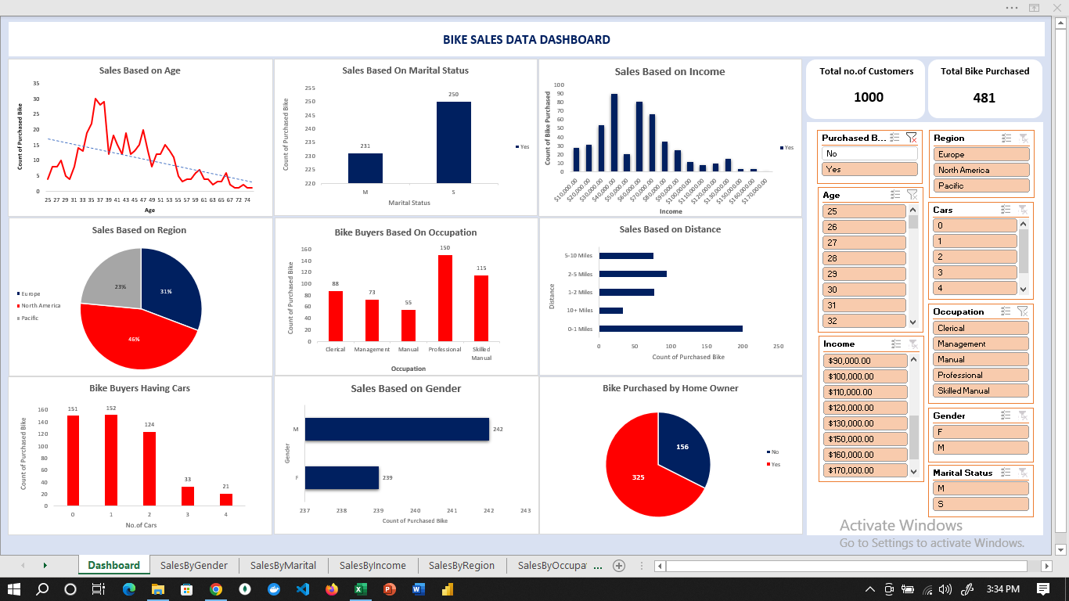

SalesByGender
Sales Based on Gender
Count of Purchased Bike | Column Labels
Gender | No | Yes | Grand Total
F | 250 | 239 | 489
M | 269 | 242 | 511
Grand Total | 519 | 481 | 1000

SalesByMarital
Sales Based On Marital Status
Count of Purchased Bike | Column Labels
Row Labels | No | Yes | Grand Total
M | 307 | 231 | 538
S | 212 | 250 | 462
Grand Total | 519 | 481 | 1000

SalesByIncome
Sales Based on Income
 | No | Yes
$10,000.00 | 45 | 28
$20,000.00 | 43 | 31
$30,000.00 | 81 | 54
$40,000.00 | 64 | 90
$50,000.00 | 20 | 20
$60,000.00 | 84 | 81
$70,000.00 | 58 | 66
$80,000.00 | 56 | 35
$90,000.00 | 14 | 25
$100,000.00 | 18 | 11
$110,000.00 | 8 | 8
$120,000.00 | 8 | 10
$130,000.00 | 17 | 15
$150,000.00 | 1 | 3
$160,000.00 |  | 3
$170,000.00 | 2 | 1
Count of Purchased Bike | Column Labels
Row Labels | No | Yes | Grand Total
$10,000.00 | 45 | 28 | 73
$20,000.00 | 43 | 31 | 74
$30,000.00 | 81 | 54 | 135
$40,000.00 | 64 | 90 | 154
$50,000.00 | 20 | 20 | 40
$60,000.00 | 84 | 81 | 165
$70,000.00 | 58 | 66 | 124
$80,000.00 | 56 | 35 | 91
$90,000.00 | 14 | 25 | 39
$100,000.00 | 18 | 11 | 29
$110,000.00 | 8 | 8 | 16
$120,000.00 | 8 | 10 | 18
$130,000.00 | 17 | 15 | 32
$150,000.00 | 1 | 3 | 4
$160,000.00 |  | 3 | 3
$170,000.00 | 2 | 1 | 3
Grand Total | 519 | 481 | 1000

SalesByRegion
Purchased Bike | (All)

Sales Based on Region
Row Labels | Count of Purchased Bike
Europe | 300
North America | 508
Pacific | 192
Grand Total | 1000

SalesByOccupation
Bike Buyers Based On Occupation
Purchased Bike | (All)

Occupation | Count of Purchased Bike
Clerical | 177
Management | 173
Manual | 119
Professional | 276
Skilled Manual | 255
Grand Total | 1000

SalesByDistance
Purchased Bike | (All)

Sales Based on Distance
Distance | Count of Purchased Bike
0-1 Miles | 366
10+ Miles | 111
1-2 Miles | 169
2-5 Miles | 162
5-10 Miles | 192
Grand Total | 1000

SalesBasedByHavingCar
Purchased Bike | (All)

Bike Buyers Having Cars
No.of Cars | Count of Purchased Bike
0 | 247
1 | 267
2 | 342
3 | 85
4 | 59
Grand Total | 1000

SalesByAge
Purchased Bike | (All)
Sales Based on Age
Age | Count of Purchased Bike
25 | 6
26 | 16
27 | 23
28 | 22
29 | 16
30 | 27
31 | 25
32 | 33
33 | 21
34 | 31
35 | 36
36 | 37
37 | 32
38 | 37
39 | 22
40 | 42
41 | 28
42 | 34
43 | 36
44 | 27
45 | 31
46 | 27
47 | 39
48 | 29
49 | 23
50 | 24
51 | 22
52 | 25
53 | 24
54 | 16
55 | 18
56 | 16
57 | 8
58 | 12
59 | 20
60 | 15
61 | 9
62 | 13
63 | 9
64 | 10
65 | 9
66 | 14
67 | 10
68 | 3
69 | 8
70 | 4
71 | 1
72 | 1
73 | 4
74 | 1
78 | 2
80 | 1
89 | 1
Grand Total | 1000

SalesByHomeOwner
Purchased Bike | (All)
Bike Purchased by Home Owner
Row Labels | Count of Purchased Bike
No | 317
Yes | 683
Grand Total | 1000

